Examples
 |  |  |  |  | Google Conversions:
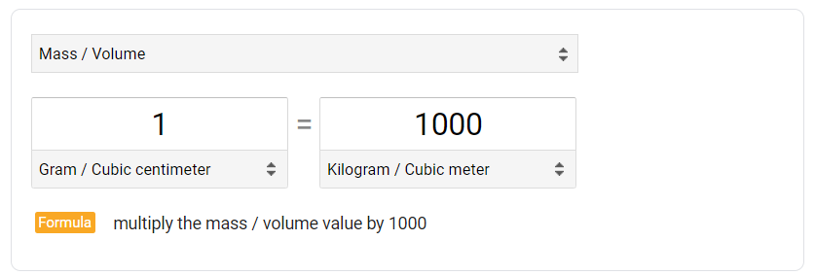
UNIT NAME | CONVERSION FORMULA
g/cm3 | x*1000
kg/cm3 | x*1000000
kg/dm3 | x*1000
kg/m3 | x*1 | <------------ | Base Unit (x*1)
lb/ft3 | (x*0.45359237)/0.3048/0.3048/0.3048 |  | |
lb/gal(US) | (x*0.45359237*1728)/231/0.3048/0.3048/0.3048 |  | |
 |  |  | |
 |  |  | |
 | Column found on "UOM" sheet |  | |
 |  |  | |
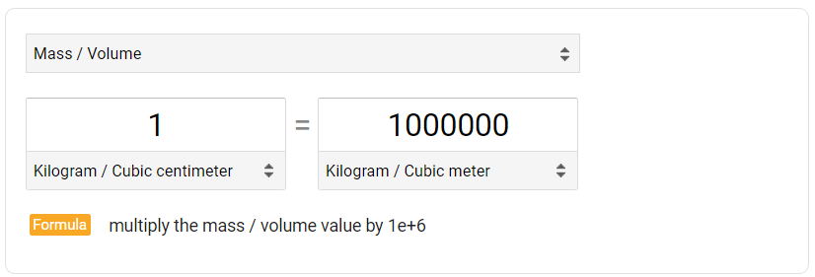
 |  |  | |
Example 1 | If you change values in yellow, it updates kg/m3 column |  | ↓
UNIT NAME | x | Factor | kg/m3 | CONVERSION FORMULA
g/cm3 | 1 | 1000 | 1000 | x*1000
kg/cm3 | 1 | 1000000 | 1000000 | x*1000000

Example 2 | If you change values in yellow, it updates kPa column
UNIT NAME | x | Factor | kPa | CONVERSION FORMULA
bar | 1 | 100 | 100 | x*100
inH2O@4C | 1 | 0.249083 | 0.249083 | x*0.249083
inH2O@60F | 1 | 0.248843 | 0.248843 | x*0.248843
inH2O@68F | 1 | 0.248642 | 0.248642 | x*0.248642
kg/cm2 | 1 | 98.0665 | 98.0665 | x*98.0665
kPa | 1 | 1 | 1 | x*1
mbar | 1 | 0.1 | 0.1 | x*0.1
mmH2O@4C | 1 | 0.0098064173228 | 0.0098064173228 | (x*0.249083/25.4)
mmH2O@60F | 1 | 0.0097969685039 | 0.0097969685039 | (x*0.248843/25.4)
mmH2O@68F | 1 | 0.0097890551181 | 0.0097890551181 | (x*0.248642/25.4)
Pa | 1 | 0.001 | 0.001 | x*0.001
psi | 1 | 6.894757 | 6.894757 | x*6.894757

Process Pressure Conversion
Process Pressure Unit Conversion

Absolute to Gauge
$$p_{gauge}=p_{absolute}+p_{atm}$$

Gauge to Absolute
$$p_{absolute}=p_{gauge}−p_{atm}$$

patm = Atmospheric Pressure [kPa-a]
pabsolute = Process Pressure [kPa-a]
pgauge = Process Pressure [kPa-g]

